General criteria
Islamic Education Standards According to the General Framework
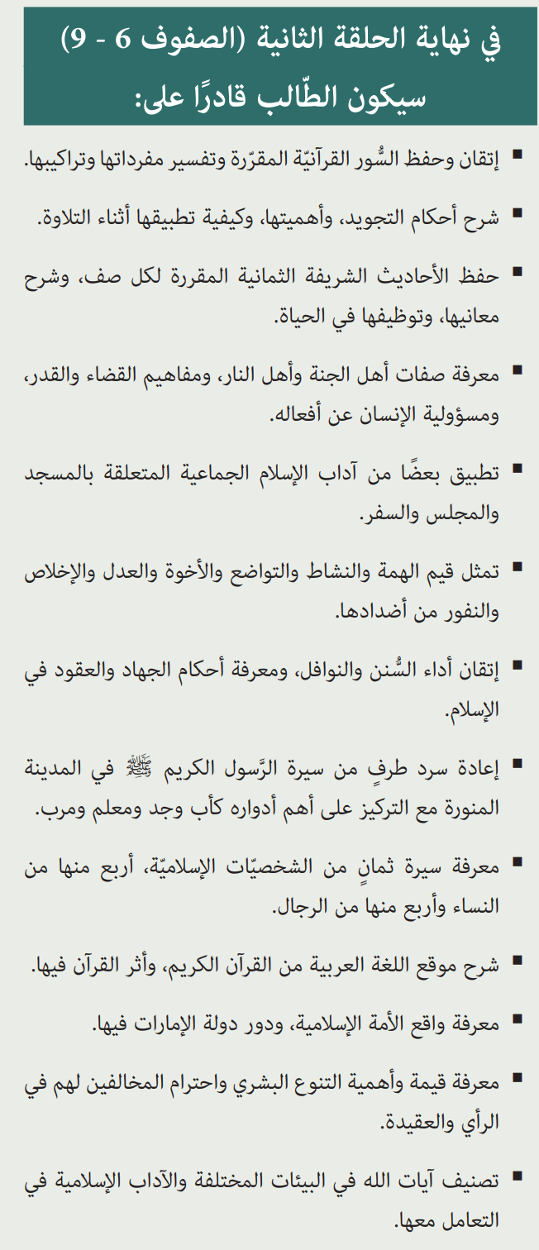
1. Quran and Tajweed
Mastering and memorizing the assigned Quranic surahs.
Interpreting the vocabulary and structures of the surahs.
Explaining and applying the rules of Tajweed during recitation.

2. Hadith and Practical Applications
Memorizing the assigned prophetic hadiths for each grade.
Explaining the meanings of hadiths and deriving lessons from them.
Applying hadiths in daily life.

3. Islamic Creed (Aqeedah)
Understanding the characteristics of the people of Paradise and Hell.
Comprehending the concepts of predestination (Qadar) and human responsibility for actions.
Recognizing the impact of faith on individual and societal life.

4. Fiqh (Islamic Jurisprudence) and Acts of Worship
Mastering the performance of obligatory prayers, Sunnah, and voluntary acts of worship.
Applying Islamic etiquette in communal settings (mosque, gatherings, travel).
Understanding the rulings of Jihad and contracts in Islam.

5. Ethics and Islamic Values
Embodying values such as determination, diligence, humility, brotherhood, justice, sincerity, and rejecting their opposites.
Understanding the importance of human diversity and respecting those with different beliefs and opinions.

6. The Prophet’s Biography (Seerah) and Islamic Figures
Studying the life of Prophet Muhammad (PBUH) in Medina, focusing on his role as a father, grandfather, teacher, and mentor.
Learning about eight prominent Islamic figures: four men and four women.

7. Arabic Language and its Connection to the Quran
Explaining the significance of the Arabic in the Quran and its impact.

8. Contemporary Islamic Affairs
Understanding the state of the Muslim Ummah and the role of the UAE within it.

9. Environment and Islamic Etiquette
Classifying the signs of Allah in different environments.
Learning Islamic etiquettes related to environmental conservation.

Year 07 Marksheets Overview
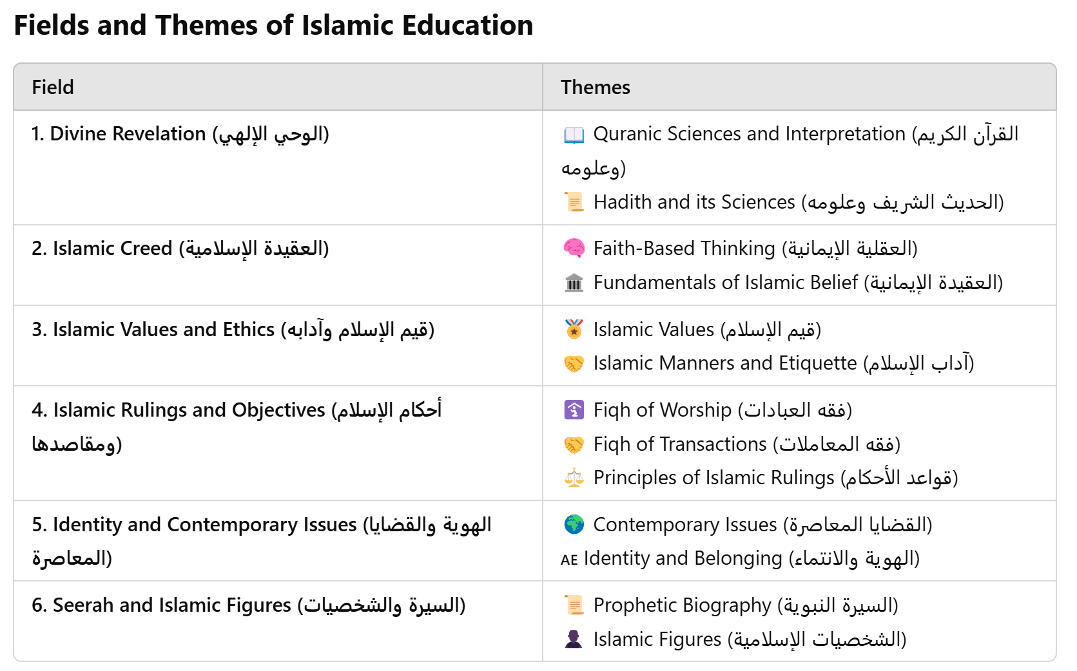
Year 07 Marksheets
Name of Marksheet | Weighting | self Assessment | teacher Assessment
T1 Quran Assessment | 15% | 12% | 10% |  |  | Total Weighting (SUM)
T1 Written Task | 3% |  |  |  |  | 100%
T1 Classwork | 7%
T1 Assessment | 20%
T2 Written Task | 4% |  |  |  | Grades | Percent
T2 Classwork | 6% |  |  |  | A | 90 - 100
T3 Quran Assessment | 15% | 15% | 12% |  | B | 80 - 89
T3 Written Task | 3% |  |  |  | C | 70 - 79
T3 Classwork | 7% |  |  |  | D | 60 - 69
T3 Assessment | 20% |  |  |  | E | 50 -59
 | 100%

12 | 5 | 2 | 3 | 2
8 | 5 | 3 | 2 | 3

